Part II
Cost Benefit Analysis
S. No | Questions | Answer(in $) (Model Comparison to choose the more profitable)
 |  | Model III- Random Forest (5.3.13) | Model 0- Decision Tree- Best Model (5.2.12)
1 | Cost incurred per month before the model was deployed (b*c) | 426815.475 | 426815.475
2 | Average number of transactions per month detected as fraudulent by the model (TF) | 3418.25 | 9286.5833333
3 | Cost of providing customer executive support per fraudulent transaction detected by the model | $1.5 | 1.5
4 | Total cost of providing customer support per month for fraudulent transactions detected by the model (TF*$1.5) | 5127.375 | 13929.875
5 | Average number of transactions per month that are fraudulent but not detected by the model (FN) | 581 | 437
6 | Cost incurred due to fraudulent transactions left undetected by the model (FN*c) | 308336.7 | 231915.9
7 | Cost incurred per month after the model is built and deployed (4+6) | 313464.075 | 245845.775
8 | Final savings = Cost incurred before - Cost incurred after(1-7) | 113351.4 | 180969.7

 | RANDOM FOREST- TUNED MODEL -III-5.3.13 | DECISION TREE- MODEL 5.2.12
 | This model has a good accuracy of around 93% and a recall value of about 80% | This model has an accuracy of 80% but a good recall value of around 85%.
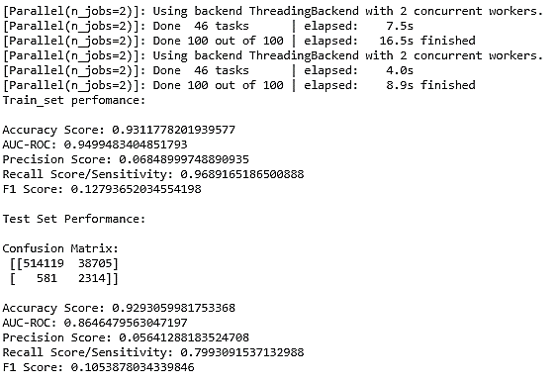
 |  | 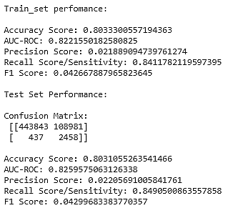

 | Reference: Credit_Card_Fraud_Detection_Asha_Nair_DS_C16_Final.ipynb

 | **Thank you for your time and patience.**

